Example
 | JEFFERSON COUNTY PUBLIC SCHOOLS |  |  |  |  |  |  |  |  |  |  | F-SA-1
 | SCHOOL ACTIVITY FUND
 | REQUISITION AND REPORT OF TICKET SALES

 | School |  | Lori Dench Academy |  |  |  | Event/Competitor | Football: Dench Dragons vs. Mountain Mudcats
 | Activity Account/ Sport |  | Football Gate |  |  |  | Date | 2018-10-16
 | Boys Girls Grade |  | ______ | Varsity JV Freshman

 | TICKET REQUISITION

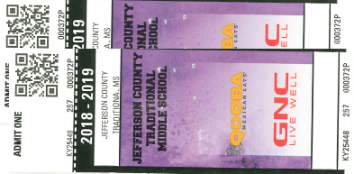
 | This is to acknowledge receipt of the tickets to be sold for the event listed above. The first ticket number sold is recorded in Column B. The unsold end ticket number will be
 | number will be recorded in Column C on completion of ticket sales. Receipt of start up |  |  |  |  |  | $200.00 | (I) for change is also acknowledged.

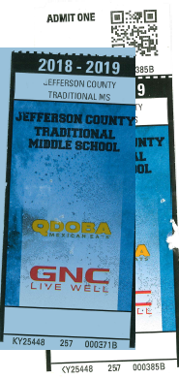
 |  |  |  |  |  |  |  | Currie W. Mason
 | Attach full and unsold start and end tickets here - beginning and ending ticket per Price for each Gate
 |  |  |  |  |  |  |  | Acknowledge Receipt of Tickets & Change Fund
 |  | REPORT OF SALES
 |  |  |  |  | A | B | C | D | E | F
 |  |  |  |  | Ticket Color | First Ticket Sold | Next Available Ticket No. | No. of Tickets Sold (C-B) | Price Each | Total Sales (D x E)
 |  | Advance Sales |  | Adults
 |  |  |  | Students
 |  |  |  | Other
 |  | GATE #1 |  | Adults | Purple | 373 | 383 | 10 | $5.00 | 50.00
 |  |  |  | Students | Blue | 372 | 386 | 14 | $2.00 | 28.00
 |  |  |  | Other
 |  |  |  |  |  |  |  |  | Total Sales (G) | $78.00

 |  |  | Checks |  | - | Change Retained |  | Total Sales (Sum of Column H) |  | 80.00
 |  |  | Currency |  | 280.00 | $200.00 |  | **Less Credit Card Sales |  | ( NA )
 |  |  | Coin |  | - |  |  | Subtotal Cash Sales |  | 78.00
 |  |  | Less Change Fund (I) |  | 200.00 | Change Deposited |  | *Cash Over/Short (H-G) |  | 2.00
 |  |  | (H)Total Cash Collected |  | $80.00 |  |  | (H)Total Cash Deposited |  | $80.00

 |  |  |  |  |  |  |  | *Cash / Over Short Explanation:

 |  | Ticket Seller: |  | Currie W Mason | Date: | 2021-10-16 |  | RECEIVED BY:
 |  | Ticket Taker: |  | Cecil Comstock | Date: | 2021-10-16 |  | Debi Farnsley |  | 2018-10-19
 |  | Person in Charge of Sales |  | Currie W Mason | Date: | 2021-10-16
 |  |  |  |  |  |  |  | School Treasurer/Bookkeeper |  | Date

 |  |  |  |  |  |  |  |  | EPES Receipt # | 12345
**Documentation verifying total credit card sales must be attached to this form.
Form and money must be turned in to SchoolTreasurer the first work day following the event.
Money is to be locked in school safe or taken to the bank. Use 1 F-SA-1 per gate.

 |  |  |  |  |  |  |  |  |  |  | Updated: August 2021

